User Satisfaction - UXAPP
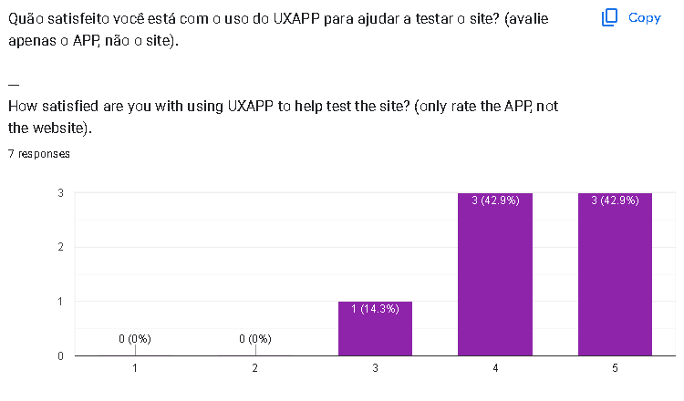
User satisfaction with UXAPP
Comment | Valence
Covers the main needs for testing the product | Positive
The system is very useful for evaluating the website. | Positive
I think it gives a good idea for carrying out usability testing, and the combination with the SUS questionnaire is really cool! But it is not very clear, at first glance, what action should be taken at each moment. After using it for a couple of tests, it becomes clearer. | Positive and negative
Addressed several test questions. | Neutral
I found it interesting and innovative. | Positive
As a result of helping to improve the application | Positive
I couldn't use it. | Negative

